Gears (obsolete)
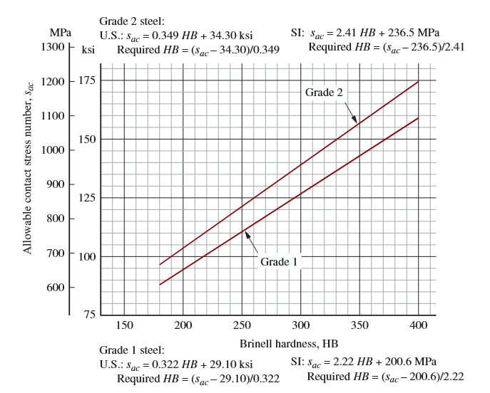
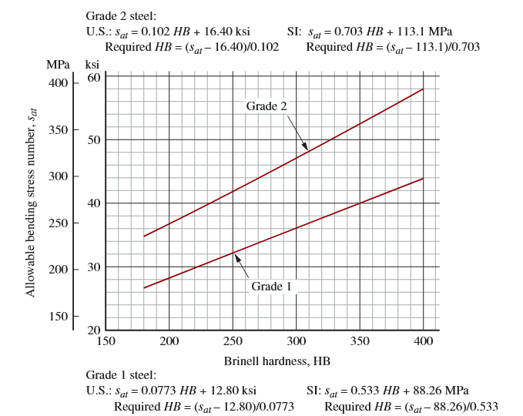
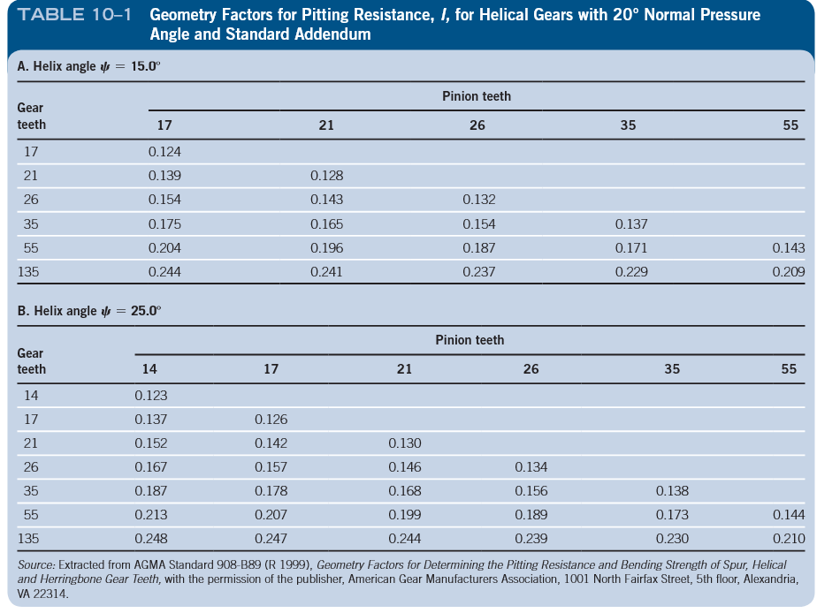
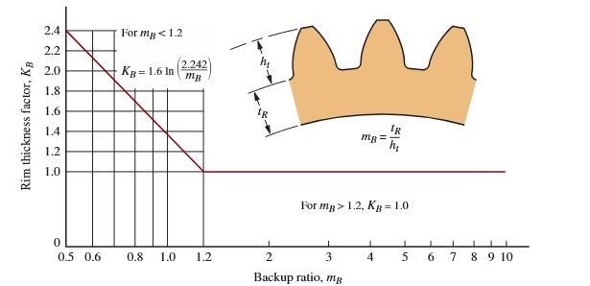
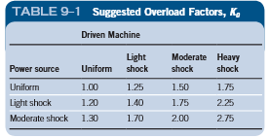
 | Specs:
 | Power (Hp) | 10
 | Input rpm | 2250
 | Output rpm | 250
 | helix angle | 15-25
 | pressure angle | 20
 | total gear ratio | 9

 |  |  |  |  |  |  |  |  |  | K_o=1.4 | K_b = 1.0 | (most likely)
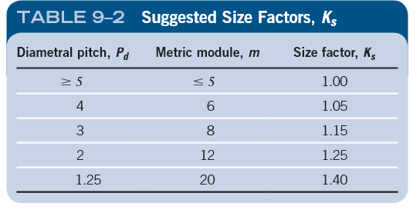

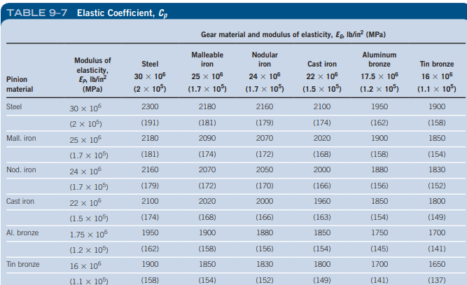

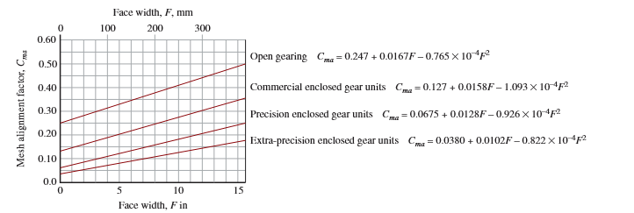
 | Assumptions:
 | Gear ratios:
 | set 1: 3:1
 | set 2: 2:1
 | set 3: 1.5:1
 | F=12/Pd
 | SF=1
 | Pdn=12
 | Np (initial) = 30

 | Bending |  |  |  |  | Pitting

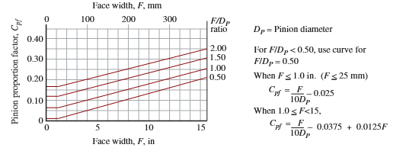

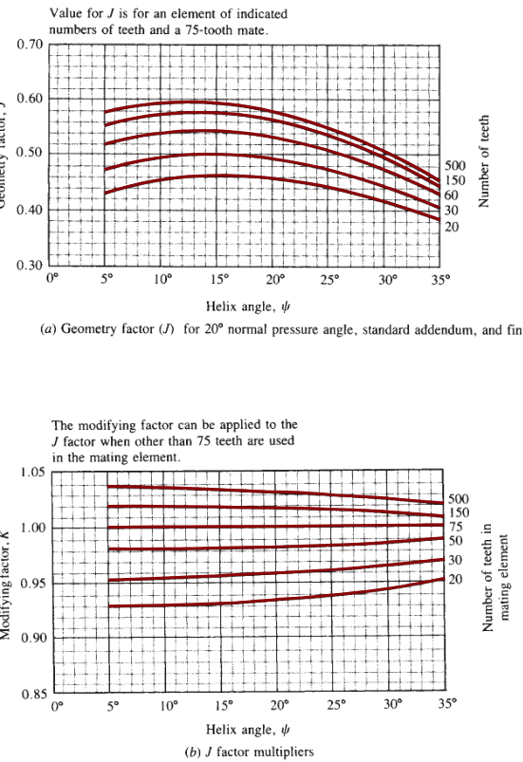

Notes | Inputs |  |  | Notes | Calculated values
Assump. | Pdn | 12 |  |  | Ng | 90
face width, rounded | F | 2.0 |  |  | wg | 750
Assump. | Np | 30 |  |  | Dp | 2.588190451
Select | ratio G:P | 3 |  |  | Dg | 7.7645713531 |  |  |  |  |  |  | kjhk
light/light | Ko | 1.4 |  |  | Wt | 216.45447284
Pd > 8 | Ks | 1 |  | F/Dp < 0.5 | Cpf | 0.01
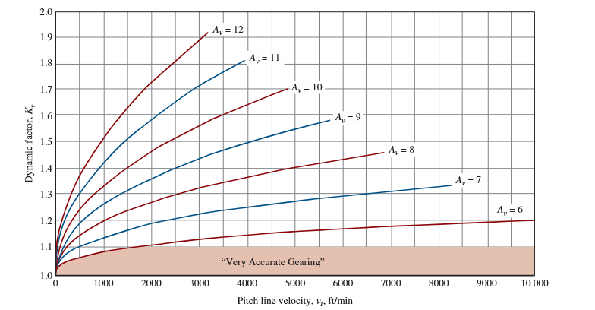
1+Cpf+Cma | Km | 1.17 |  | Commercial gearing | Cma | 0.15862358563
Assump. | Kb | 1 |  | pitch line vel. (ft/min) | vt | 1524.5700201
A7 | Kv | 1.2 |  | cycles | Nc | 8.10E+10
input RPM | wp | 2250 |  | pitting cycles | Zn | 8.13E-01
input HP | P | 10 |  | bending cycles | Yn | 0.86701097747
Helix angle | psi | 15 |  | bending stress | st | 5005.1473618
trans. Pitch | Pd | 11.591109915 |  | pitting stress | sc | 44714.673282
axial pitch | Px | 1.0115151599
geometry factor | J_base | 0.48 |  | actual bending | s_at | 7216.0957183 | Max S_at | 28 ksi
Mod. Factor | K | 1.01 |  | actual pitting | s_ac | 68745.898571 | Max S_ac | 92.5 ksi
 | J | 0.4848
 | Cp | 2300
pitting geom. Fact. | I | 0.214
0.999 reliability | Kr | 1.25
10k hours | L | 10000
service factor | SF | 1

 | Stuff we can change |  | Fixed values
 | Ko |  | speeds
 | Pd |  | power | (torque/loads/etc)
 | Ratios
 | Teeth number
 | Gear size

 |  |  |  |  |  |  | Grade 1 |  | 311

Here Be Dragons

 |  |  | Helix Angle Menu |  |  |  |  |  | Ko menu |  |  |  | Kv Menu
 |  |  | 15 |  |  |  |  |  | Uniform/Uniform | 1 |  |  | Av6 | 6
 |  |  | 20 |  |  |  |  |  | Uniform/Light | 1.25 |  |  | Av7 | 7
 |  |  | 25 |  |  |  |  |  | Uniform/Moderate | 1.5 |  |  | Av8 | 8
 |  |  |  |  |  |  |  |  | Uniform/Heavy | 1.75 |  |  | Av9 | 9
 |  |  |  |  |  |  |  |  | Light/Uniform | 1.2 |  |  | Av10 | 10
 |  |  |  |  |  |  |  |  | Light/Light | 1.4 |  |  | Av11 | 11
 |  |  |  |  |  |  |  |  | Light/Medium | 1.75 |  |  | Av12 | 12
 |  |  |  |  |  |  |  |  | Light/Heavy | 2.25 |  |  | vt | 1964.2729131
 |  |  |  |  |  |  |  |  | Medium/Uniform | 1.3 |  |  | B | 0.40
 |  |  |  |  |  |  |  |  | Medium/Light | 1.7 |  |  | C | 83.771249934
 |  |  |  |  |  |  |  |  | Medium/Medium | 2 |  |  | Kv | 1.1836027634 |  |  | output
 |  |  |  |  |  |  |  |  | Medium/Heavy | 2.75 |  |  |  |  |  |  | Light | Medium | Heavy
 |  |  |  |  |  |  |  |  |  |  |  |  |  |  | input | Light | 1.4
 |  |  | Km calculation |  |  |  |  |  |  |  |  |  |  |  |  | Medium
 |  |  | Dp1 | 2.2067558379 |  |  |  |  |  |  |  |  |  |  |  | Heavy
 |  |  | F | 1.5
 |  |  | Cma | 0.150454075 |  | Boolean
 |  |  | Cpf | 0.049223084028 | 0.049223084028 | F>1 | 1
 |  |  |  |  | 0.042973084028 | (F<1)

 |  |  |  | 0.049223084028 |  |  |  |  | Geometry Factor (J_base) |  |  |  | Lookup Table
 |  |  |  |  |  |  |  |  |  |  | Helix |  | Np | 20
 |  |  |  |  |  |  |  |  | Pinion Teeth | 15 | 20 | 25
 |  |  |  |  |  |  | 20 | 7.5 | 20 | 0.46 | 0.46 | 0.44
 |  |  |  |  |  |  | 30 | 8.5 | 30 | 0.5 | 0.49 | 0.47 | Angle
 |  |  |  |  |  |  |  | 24 | 60 | 0.541 | 0.53 | 0.51 | 15 | 0.46
 |  |  |  |  |  |  |  |  | 150 | 0.58 | 0.56 | 0.54 | 20 | 0.46
 |  | Pitting Resistance Factor |  |  |  |  |  |  | 500 | 0.595 | 0.58 | 0.55 | 25 | 0.44
 |  | Np1 | 20
 |  | pn | 10
Reliability Factor |  | a | 0.1
0.9 | 0.85 | rp | 1.103377919
0.99 | 1 | rbp | 1.0238959596 |  |  |  |  |  |  | Modifying Factor
0.999 | 1.25 | rg | 1.103377919 |  |  |  |  |  | Gear Teeth | 15 | 20 | 25 | Ng | 20
0.9999 | 1.5 | rbg | 1.0238959596 |  |  |  |  |  | 20 | 0.93 | 0.935 | 0.94
 |  | pressure | 20 | 0.3490658504 |  |  |  |  | 30 | 0.955 | 0.96 | 0.961 | Angle
 |  | helix | 25 | 0.436332313 |  |  |  |  | 50 | 0.982 | 0.983 | 0.985 | 15 | 0.93
 |  | Tpressure | 0.38188210124 |  |  |  |  |  | 75 | 1 | 1 | 1 | 20 | 0.935
 |  | Z | 0.44213786721 |  |  |  |  |  | 150 | 1.02 | 1.02 | 1.015 | 25 | 0.94
 |  | cP | 0.34663639643 |  |  |  |  |  | 500 | 1.035 | 1.032 | 1.03
 |  | pN | 0.32573166383
 |  | mN | 0.77549438995
Design Life |  | I | 0.11148452465
Application | Life | mG | 1
Domestic | 1500
Aircraft Engines | 3000
Automotive | 3500
Agricultural Equipment | 5000
Elevators, industrial fans, multipurpose gearing | 12000
Electric motors, industrial blowers, general industrial machines | 25000
Pumps and compressors | 50000
Critical equipment in continuous 24-h operation | 150000

 |  |  |  |  |  | |

